Project104
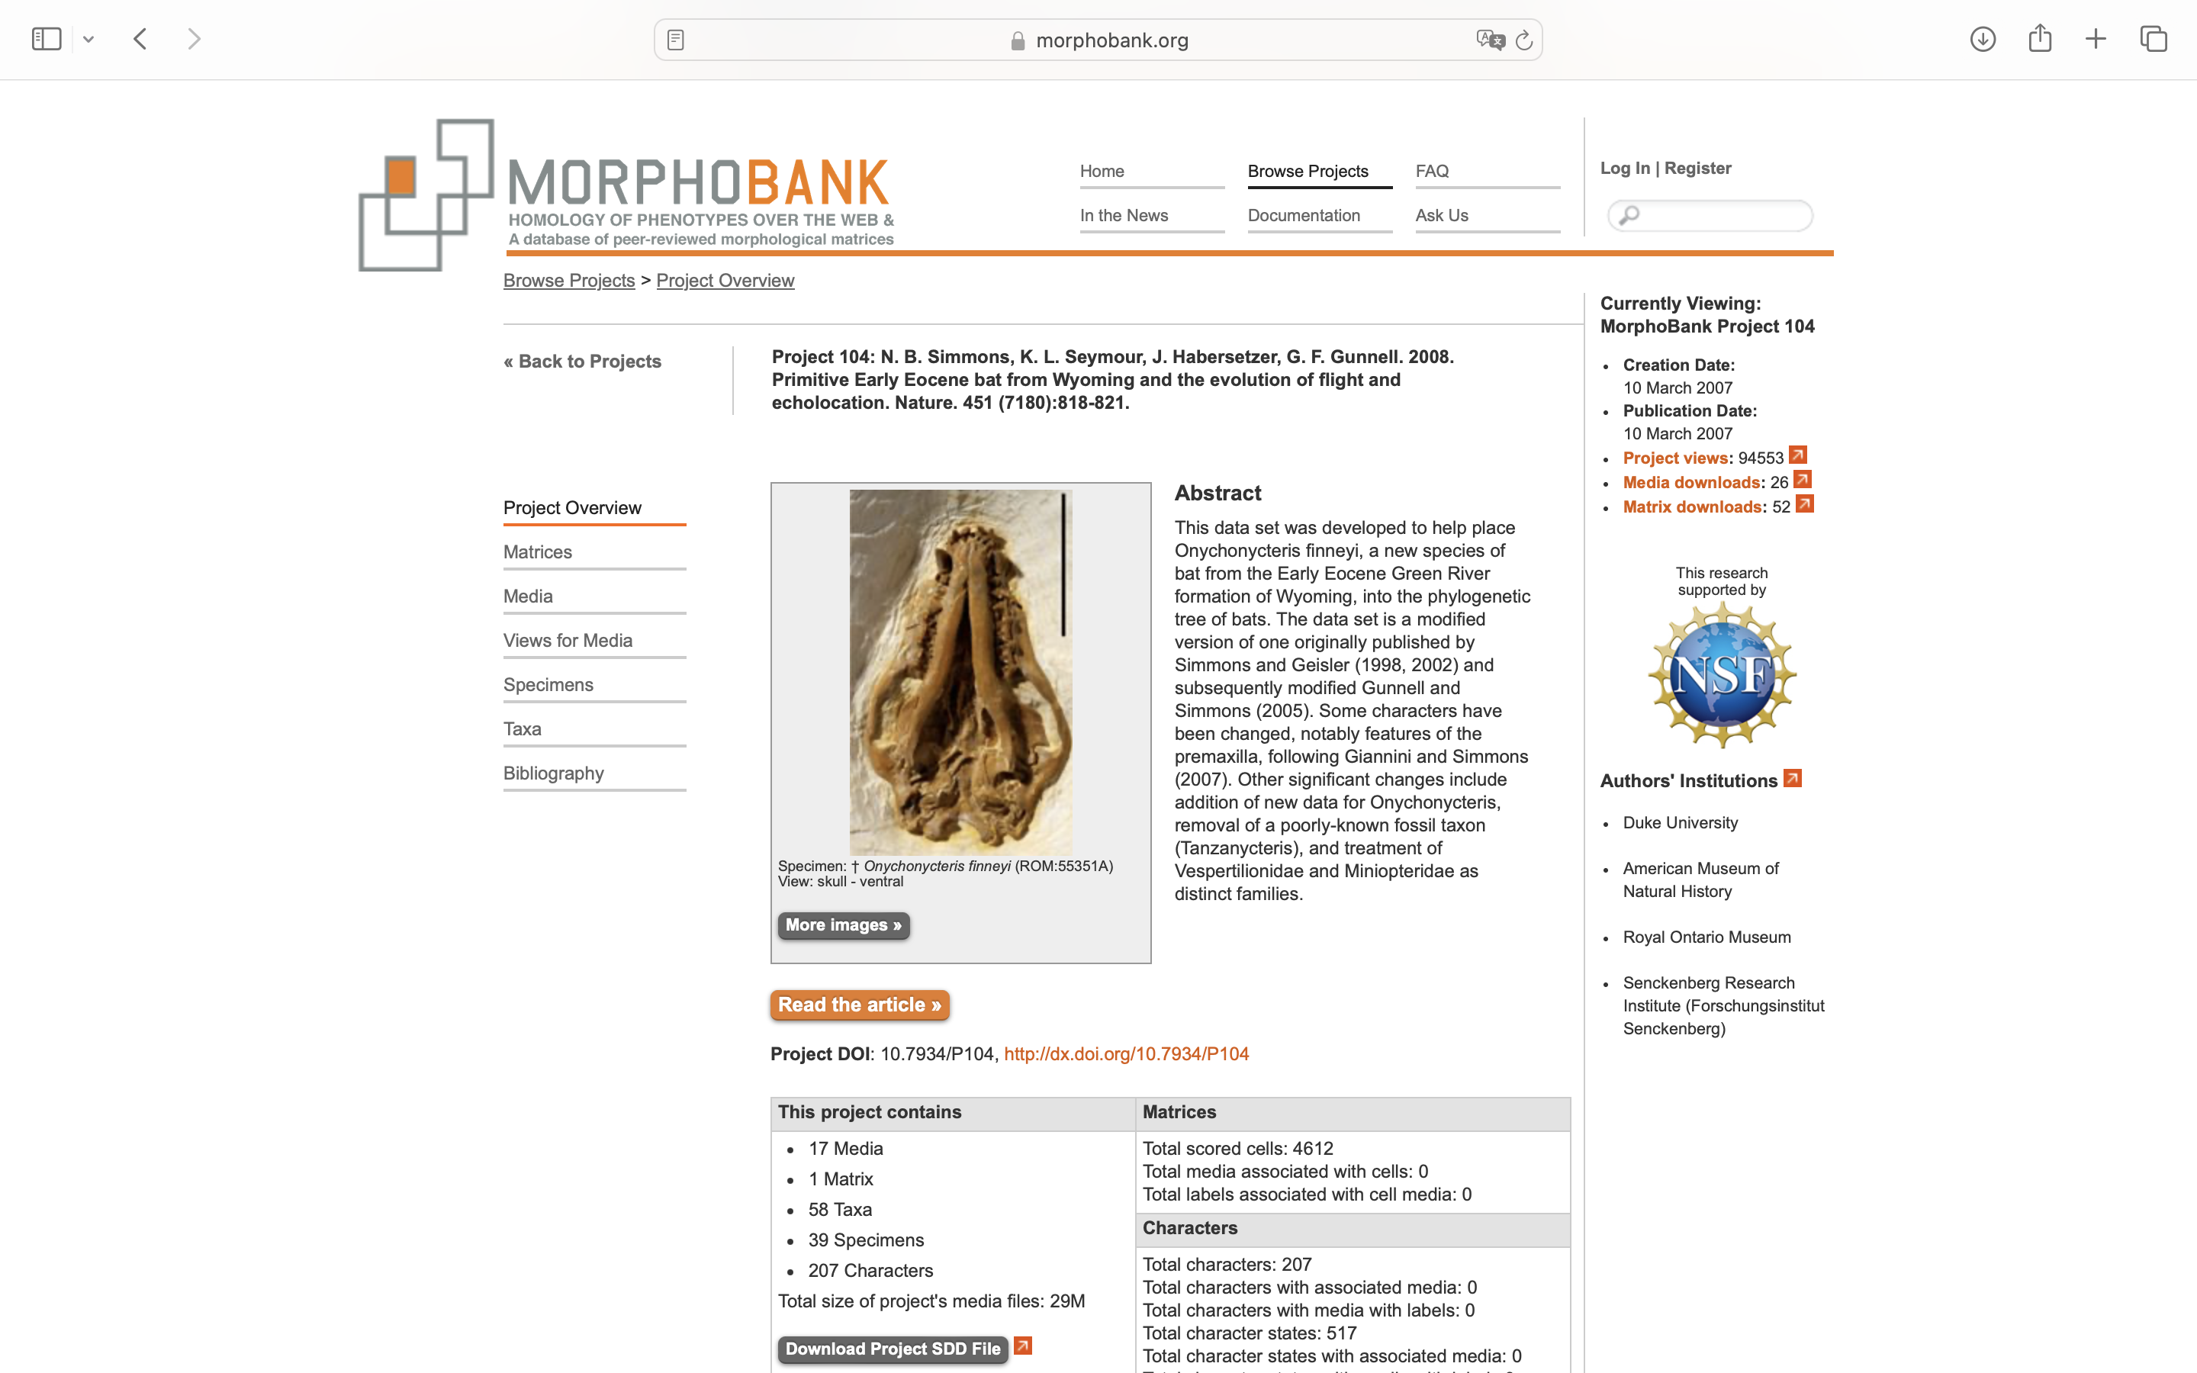
Charlabels | Character Pattern | Unseen States
[1] 'Deciduous anterior teeth shape' | Transformational | YES
[2] 'Deciduous last premolars shape' | Transformational | NO
[3] 'Upper incisor number' | NT?;0=11;1=12;2=13;3=0-
[4] 'Lower incisors number' | NT?;0=11;1=12;2=13;3=0-
[5] 'Upper premolars number' | Transformational | YES
[6] 'Upper P3 number of roots' | Transformational | YES
[7] 'Lower premolars number' | Transformational | YES
[8] 'Lower molar morphology' | Transformational | YES
[9] 'Angular process size' | Transformational | YES
[10] 'Level of angular process' | Transformational | YES
[11] 'Premaxilla projection' | Transformational | YES
[12] 'Premaxilla body form and fusion' | NT?;0=0-;1=11;2=12;3=13;4=14;5=15
[13] 'Premaxilla body thickness' | Transformational | YES
[14] 'Premaxilla palatine process' | Transformational | YES
[15] 'Premaxilla nasal process' | NT?;0=11;1=12;2=13;3=14;4=0-
[16] 'Premaxilla nasal process lateral expansion' | Neomorphic | NO
[17] 'Nasoincisive suture ' | Transformational | YES
[18] 'Maxilloincisive notch ' | Neomorphic | NO
[19] 'Jugolacrimal contact' | Neomorphic | NO
[20] 'Postorbital process presence' | Neomorphic | NO
[21] 'Hard palate posterior edge' | Transformational | YES
[22] 'Medial accessory palatine foramen ' | Neomorphic | NO
[23] 'Orbicular apophysis size' | Transformational | YES
[24] 'M. Tensor tympani morphology' | NT?;0=11;1=12;2=13;3=0-
[25] 'Aquaductus cochlea size' | Transformational | YES
[26] 'Fenestra rotundum enlargement' | Transformational | YES
[27] 'Stapedial fossa shape' | Transformational | YES
[28] 'Epitympanic recess shape' | Transformational | YES
[29] 'Tympanic annulus angle of inclination' | Transformational | YES
[30] 'Lateral process of tympanic development' | Neomorphic | NO
[31] 'Entotympanics presence' | Transformational | YES
[32] 'Cochlea ossification' | Transformational | YES
[33] 'Cochlea enlargement' | Transformational | YES
[34] 'Periotic attachment to skull' | Transformational | YES
[35] 'Laryngeal echolocation presence' | Neomorphic | NO
[36] 'Stylohyal shape' | Transformational | YES
[37] 'Epihyal size' | Transformational | YES
[38] 'Ceratohyal size' | Transformational | YES
[39] 'Entoglossal process size and shape' | Transformational | YES
[40] 'Entoglossal process presence' | Neomorphic | NO
[41] 'Curved basihyal shape' | Transformational | YES
[42] 'Basihyal body shape' | Transformational | YES
[43] 'M. genioglossus hyoglossus insertion' | Transformational | YES
[44] 'M. sternohyoideus insertion' | Transformational | YES
[45] 'M. mylohyoideus deep division presence' | Neomorphic | NO
[46] 'M. mylohyoideus insertion' | Transformational | YES
[47] 'M. mylohoideus form' | Transformational | YES
[48] 'M. mandibulohyoideus presence' | Neomorphic | NO
[49] 'M. mandibulohyoidues form' | Transformational | YES
[50] 'M. mandibulohyoideus size' | Transformational | YES
[51] 'M. stylohyoideus superficial slip presence' | Neomorphic | NO
[52] 'M. stylohyoideus deep slip presence' | Neomorphic | NO
[53] 'M. geniohyoideus origin form' | Transformational | YES
[54] 'M. geniohyoideus origin tendon' | Transformational | YES
[55] 'M. genioglossus origin size' | Transformational | YES
[56] 'M. geniohyoideus & genioglossus fusion' | Neomorphic | NO
[57] 'M. genioglossus insertion' | Transformational | NO
[58] 'M. hyoglossus origin' | Transformational | YES
[59] 'M. stylogossus number of bellies' | Transformational | YES
[60] 'M. styloglossus origin' | Transformational | YES
[61] 'M. ceratohyoideus certatohyal insertion' | Transformational | NO
[62] 'M. ceratohyoideus stylohyal insertion' | Transformational | NO
[63] 'M. thyrohyoideus insertion' | Transformational | YES
[64] 'M. sternohyoideus origin from sternum and costal cartilage' | Transformational | YES
[65] 'M. sternohyoideus origin from clavicle' | Transformational | NO
[66] 'M. sternohyoid reduction' | Neomorphic | NO
[67] 'M. sternothyroideus origin' | Transformational | YES
[68] 'M. omohyoideus origin' | NT?;0=11;1=12;2=0-
[69] 'C2 and C3 accessory process presence' | Neomorphic | NO
[70] 'C4 accessory process presence' | Neomorphic | NO
[71] 'C5 accessory process presence' | Neomorphic | NO
[72] 'C7 to T1 fusion' | Neomorphic | NO
[73] 'T1 to T2 fusion' | Neomorphic | NO
[74] 'Ribs fused to thoracic vertebrae' | NT?;0=0-;1=11;2=12
[75] 'Rib 1 width' | Transformational | YES
[76] 'Rib 1 fusion to manubrium' | Neomorphic | NO
[77] 'Rib 2 point of contact with sternum 83' | Transformational | YES
[78] 'Rib 2 connection to sternum' | Transformational | YES
[79] 'Costal cartilages number contacting mesosternum' | Transformational | YES
[80] 'Rib anterior lamellae presence and size' | NT?;0=0-;1=11;2=12
[81] 'Rib posterior lamellae presence and size' | NT?;0=0-;1=11;2=12
[82] 'Anterior face of manubrium size' | Transformational | YES
[83] 'Ventral process of manubrium presence and shape' | NT?;0=0-;1=11;2=12
[84] 'Ventral process of manubrium angle' | Transformational | YES
[85] 'Manubrium length' | Transformational | YES
[86] 'Mesosternum width' | Transformational | YES
[87] 'Xiphisternum keel presence' | Neomorphic | NO
[88] 'Xiphisternum shape of posterior portion' | Transformational | NO
[89] 'Acromion medial shelf presence' | Neomorphic | NO
[90] 'Acromion tip anteromedial projection presence' | Neomorphic | NO
[91] 'Acromion tip posterolateral projection presence' | Neomorphic | NO
[92] 'Dorsal articular facet presence and form' | NT?;0=0-;1=11;2=12;3=13
[93] 'Infraspinous fossa width' | Transformational | YES
[94] 'Infraspinous fossa facets number' | Transformational | YES
[95] 'Infraspinous fossa facets proportions' | Transformational | YES
[96] 'Posterolateral facet extent' | Transformational | NO
[97] 'Scapula axillary border' | Transformational | YES
[98] 'Clavicular lig pit presence' | Neomorphic | NO
[99] 'Scapula anteromedial flange presence' | Neomorphic | NO
[100] 'Coracoid process shape' | Transformational | YES
[101] 'Coracoid process orientation' | Transformational | YES
[102] 'Coracoid process tip shape' | Transformational | YES
[103] 'Superscapular process presence' | Neomorphic | NO
[104] 'Clavicle articulation' | Transformational | NO
[105] 'Trochiter height' | Transformational | NO
[106] 'Humeral head shape' | Transformational | YES
[107] 'Distal humerus facet displacement' | Transformational | YES
[108] 'Epitrochlea width' | Transformational | YES
[109] 'Entepicondylar foramen presence' | Neomorphic | NO
[110] 'Olecranon' | Neomorphic | NO
[111] 'Ulnar patella presence' | Neomorphic | NO
[112] 'Sesamoid magnum trapezium presence' | Neomorphic | NO
[113] 'Sesamoid ventral unciform magnum presence' | Neomorphic | NO
[114] 'Sesamoid dorsal unciform magnum presence ' | Neomorphic | NO
[115] 'Sesamoid lunar radius presence' | Neomorphic | NO
[116] 'Sesamoid trapezium metacarpal presence' | Neomorphic | NO
[117] 'Finger length' | Transformational | YES
[118] 'Longest metacarpal' | Transformational | YES
[119] 'WDII first phalax ossification' | Neomorphic | NO
[120] 'WDII second phalanx ossification' | Neomorphic | NO
[121] 'WDII third phalanx ossification' | Neomorphic | NO
[122] 'WDIII third phalanx ossification and form' | NT3;0=11;1=12;2=13;3=0-
[123] 'Wing reflection' | Transformational | YES
[124] 'M. subclavius origin' | Transformational | YES
[125] 'M pectoralis profundus origin' | Transformational | YES
[126] 'M. dorsi patagialis presence' | Neomorphic | NO
[127] 'M. humeropatagialis presence' | Neomorphic | NO
[128] 'M. occipitopollicalis' | Neomorphic | NO
[129] 'M. occipitopollicalis anterior origin' | Neomorphic | NO
[130] 'M. occipitopollicalis posterior origin' | Neomorphic | NO
[131] 'M. occipitopollicalis intermediate belly presence' | Neomorphic | NO
[132] 'M. occipitopollicalis distal tendon' | Transformational | YES
[133] 'M. occipitopollicalis insertion' | Transformational | YES
[134] 'M. spinotrapezius differentiation' | Neomorphic | NO
[135] 'M. acromiotrapezius origin from T4' | Transformational | NO
[136] 'M. acromiotrapezius origin from T5' | Transformational | NO
[137] 'M. acromiotrapezius origin from T6' | Transformational | NO
[138] 'M. clavotrapezius differentiation' | Neomorphic | NO
[139] 'M. levator scapulae origin' | Transformational | YES
[140] 'M. omocervicalis presence' | Neomorphic | NO
[141] 'M. omocervicalis origin' | Transformational | YES
[142] 'M. omocervicalis insertion' | Transformational | YES
[143] 'M. serratus anterior origin' | Transformational | YES
[144] 'M. latissimus dorsi insertion' | Transformational | YES
[145] 'M. teres major insertion' | Transformational | YES
[146] 'M. acromiodeltoideus origin ' | Transformational | YES
[147] 'M. spinodeltoideus origin' | NT?;0=11;1=12;2=0-
[148] 'M. biceps cororacoid head relative size' | Transformational | YES
[149] 'M. brachioradialis presence' | Neomorphic | NO
[150] 'M. flexor digitorum profundus insertion digit II' | Transformational | NO
[151] 'M. flexor digitorum profundus insertion digit IV' | Transformational | NO
[152] 'M. flexor digitorum profundus insertion digit V' | Transformational | NO
[153] 'M. extensor digiti quinti presence' | Neomorphic | NO
[154] 'M. pirifomis presence' | Neomorphic | NO
[155] 'M. vastus complex number' | Transformational | YES
[156] 'M. sartorius differentiation' | Neomorphic | NO
[157] 'M. gluetus minimus differentiation' | Neomorphic | NO
[158] 'M. gluteus superficialis differentiation' | Neomorphic | NO
[159] 'M. psoa minor morphology' | Transformational | YES
[160] 'Lumbar fusion' | Neomorphic | NO
[161] 'Sacrum extent' | Transformational | YES
[162] 'Sacral lamellae' | Neomorphic | NO
[163] 'Ascending process ilium' | Transformational | NO
[164] 'Dorsal ischal tuberosity' | Neomorphic | NO
[165] 'Pubic spine' | NT?;0=0-;1=11;2=12
[166] 'Male pubic symphysis' | Transformational | YES
[167] 'Obturator foraman infilling' | Transformational | YES
[168] 'Hindlimb orientation' | Transformational | YES
[169] 'Distal Femur shaft' | Transformational | YES
[170] 'Fibula development' | NT?;0=11;1=12;2=13;3=0-
[171] 'Calcar presence' | NT?;0=0-;1=11;2=12
[172] 'Foot digit I length' | Transformational | YES
[173] 'Foot digits II-IV number of phalanges' | Transformational | YES
[174] 'Tendon locking mechanism' | NT?;0=0-;1=11;2=12
[175] 'Baculum presence' | Neomorphic | NO
[176] 'Baculum shape' | Transformational | YES
[177] 'Pubic nipples' | Neomorphic | NO
[178] 'Female genital opening orientation' | Transformational | YES
[179] 'Clitorus length' | Transformational | YES
[180] 'External uterine fission' | Transformational | YES
[181] 'Internal uterine fusion' | Transformational | YES
[182] 'Uterotububal junction' | Transformational | NO
[183] 'Blastocyst location' | Transformational | YES
[184] 'Implantation type' | Transformational | YES
[185] 'Embryonic disc orientation' | Transformational | YES
[186] 'Yolk sac development' | Transformational | YES
[187] 'Allantoic vessicle size' | Transformational | YES
[188] 'Primordial amniotic cavity' | NT?;0=0-;1=11;2=12
[189] 'Definitive chorioallantoic placenta type' | Transformational | YES
[190] 'Spinal cord dorsal horns angle' | Transformational | YES
[191] 'Inferior colliculus size' | Transformational | YES
[192] 'Olfactory bulb connection' | Transformational | YES
[193] 'Access olfactory bulb presence' | Neomorphic | NO
[194] 'Vomeronasal epithelial tube development' | NT?;0=11;1=12;2=0-
[195] 'Paraseptal cartilage shape' | NT?;0=11;1=12;2=0-
[196] 'Nasopalatine duct presence' | Neomorphic | NO
[197] 'Liver left cental lobe' | Transformational | YES
[198] 'Gall bladder location' | Transformational | YES
[199] 'Caecum presence' | Neomorphic | NO
[200] 'Submaxillary glands number' | Transformational | YES
[201] 'Right lung lobation' | NT?;0=11;1=12;2=13;3=0-
[202] 'Left lung lobation' | NT?;0=11;1=12;2=0-
[203] 'Tracheal expansion' | NT?0=0-;1=11;2=12;3=13
[204] 'Ear pinnae shape' | Transformational | NO
[205] 'Tragus presence' | Neomorphic | NO
[206] 'Narial structures presence and type' | NT?;0=0-;1=11;2=12;3=13;4=14
[207] 'M. occipitofrontalis insertion' | Transformational | YES

